Category Count
Category
Category | Category (计数)
Others | 46
RWA | 4
BTC | 2
ETH | 1
Stablecoin | 1

Name Count
Name
Name | Name
Aerodrome | 14
GMX | 11
Uniswap | 7
PancakeSwap | 5
Midas | 3
CoW Protocol | 3
StakeStone | 2
Aave | 2
Ondo Finance | 2
Resolv | 2
Nektar Network | 1
Hyperliquid | 1
Hashnote | 1

Sheet1
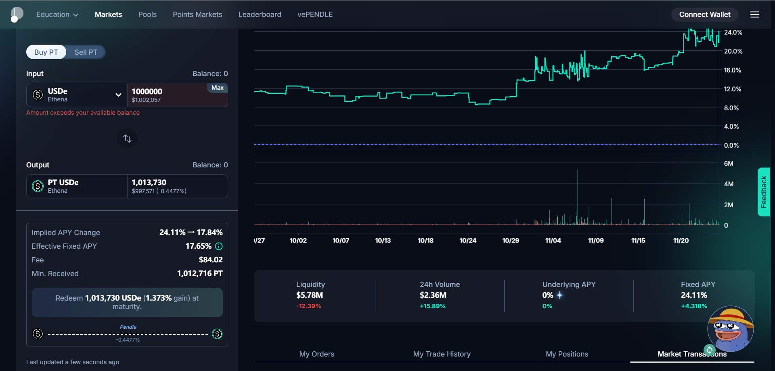
USDe | ValueInUsd | PT-USDe | ValueInUsd | ptExchangeRate | DaysToMaturity | YearsToMaturity | Implied APY | Implied APY-1
1000000 | 1002057 | 1013730 | 997571 | 1.01373 | 30 | 0.082191780822 | 1.1804691409 | 18.05%

DiffValue | 4486 |  | 0.01372715767 |  |  | 1.0137271577 | 1.1804288719 | 18.04%
PriceImpact | 0.4477% |  |  |  |  |  | 1.1777496298 | 17.77%
 |  |  |  |  |  |  | 1.1939167846 | 19.39%

 |  |  |  |  |  | 1.0181 | 1.2438948095 | 24.39%
 |  |  |  |  |  | 1.01764 | 1.2370741342 | 23.71%

